Instructions
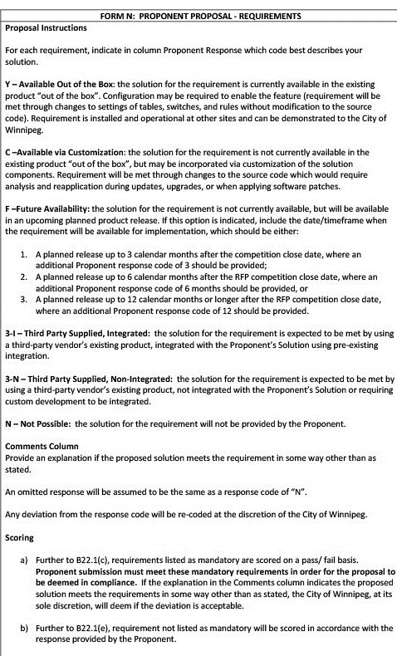
679-2022 Form N - Requirements

